Decision Tree
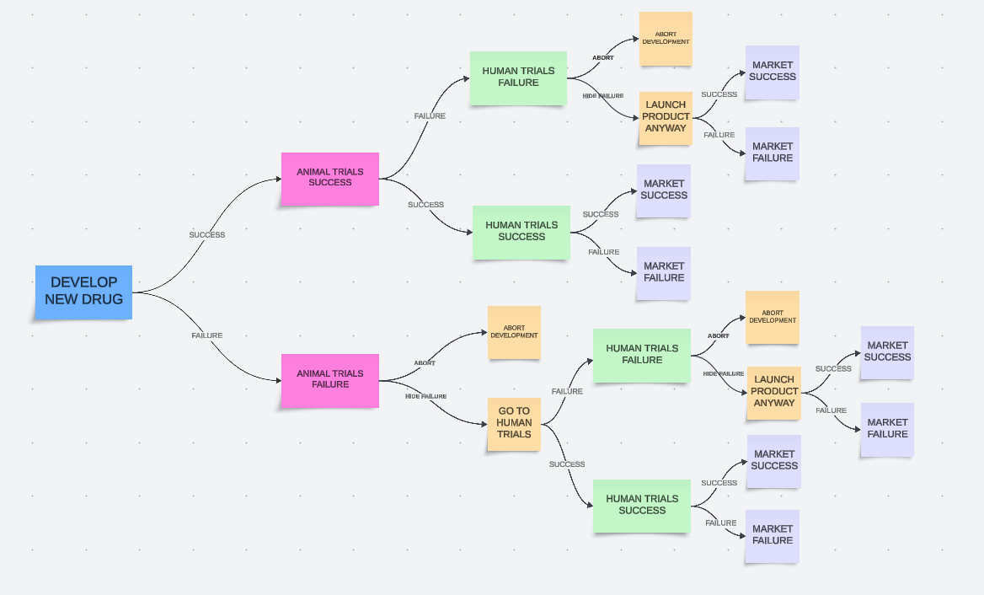

 | DEVELOPING NEW DRUG (RUNNING ANIMAL TRIALS)

 | ANIMAL TRIALS FAILURE |  |  |  |  |  | ANIMAL TRIALS SUCCESS
PROBABILITY | 30% |  |  |  |  |  | 70%
PAYOFF | -100,000.00 zł |  |  |  |  |  | -100,000.00 zł
EVENT PROBABILITY | 30% |  |  |  |  |  | 70%
EMV | -100,000.00 zł |  |  |  |  |  | 392,000.00 zł
 | ABORT DEVELOPMENT | HIDE FAILURE AND GO TO HUMAN TRIALS |  |  |  |  | HUMAN TRIALS FAILURE |  |  | HUMAN TRIALS SUCCESS
PROBABILITY | 50% | 50% |  |  |  |  | 30% |  |  | 70%
PAYOFF | 0.00 zł | 0.00 zł |  |  |  |  | -400,000.00 zł |  |  | -400,000.00 zł
EVENT PROBABILITY | 15.0% | 15.0% |  |  |  |  | 21.0% |  |  | 49.0%
EMV | -100,000.00 zł | -196,000.00 zł |  |  |  |  | 140,000.00 zł |  |  | 500,000.00 zł
 |  | HUMAN TRIALS SUCCESS |  | HUMAN TRIALS FAILURE |  |  | LAUNCH PRODUCT ANYWAY |  | ABORT DEVELOPMENT | MARKET FAILURE | MARKET SUCCESS
 | PROBABILITY | 30% |  | 70% |  |  | 50% |  | 50% | 40% | 60%
 | PAYOFF | -400,000.00 zł |  | -400,000.00 zł |  |  | 0.00 zł |  | 0.00 zł | 100,000.00 zł | 1,600,000.00 zł
 | EVENT PROBABILITY | 4.50% |  | 10.50% |  |  | 10.50% |  | 10.50% | 19.60% | 29.40%
 | EMV | 140,000.00 zł |  | -340,000.00 zł |  |  | 140,000.00 zł |  | -500,000.00 zł | -400,000.00 zł | 1,100,000.00 zł
 |  | MARKET FAILURE | MARKET SUCCESS | ABORT DEVELOPMENT | LAUNCH PRODUCT ANYWAY |  | MARKET FAILURE | MARKET SUCCESS
 | PROBABILITY | 40% | 60% | 50% | 50% |  | 40% | 60%
 | PAYOFF | -800,000.00 zł | 1,600,000.00 zł | 0.00 zł | 0.00 zł |  | -800,000.00 zł | 1,600,000.00 zł
 | EVENT PROBABILITY | 1.80% | 2.70% | 5.25% | 5.25% |  | 4.20% | 6.30%
 | EMV | -1,300,000.00 zł | 1,100,000.00 zł | -500,000.00 zł | -340,000.00 zł |  | -1,300,000.00 zł | 1,100,000.00 zł
 |  |  |  |  | MARKET FAILURE | MARKET SUCCESS |  |  |  | Decision node | Other colors are chance nodes
 |  |  |  | PROBABILITY | 40% | 60% |  |  |  | Final event payoff
 |  |  |  | PAYOFF | -2,000,000.00 zł | 1,600,000.00 zł
 |  |  |  | EVENT PROBABILITY | 2.10% | 3.15%
 |  |  |  | EMV | -2,500,000.00 zł | 1,100,000.00 zł

 | Option | Profit | Probabiliy
 | #1 | -100,000.00 zł | 15.0% | -15,000.00 zł
 | #2 | -1,300,000.00 zł | 1.80% | -23,400.00 zł
 | #3 | 1,100,000.00 zł | 2.70% | 29,700.00 zł
 | #4 | -500,000.00 zł | 5.25% | -26,250.00 zł
 | #5 | -2,500,000.00 zł | 2.10% | -52,500.00 zł
 | #6 | 1,100,000.00 zł | 3.15% | 34,650.00 zł
 | #7 | -1,300,000.00 zł | 4.20% | -54,600.00 zł
 | #8 | 1,100,000.00 zł | 6.30% | 69,300.00 zł
 | #9 | -500,000.00 zł | 10.50% | -52,500.00 zł
 | #10 | -400,000.00 zł | 19.60% | -78,400.00 zł
 | #11 | 1,100,000.00 zł | 29.40% | 323,400.00 zł
 |  |  | 100.0% | 154,400.00 zł

